Ark1
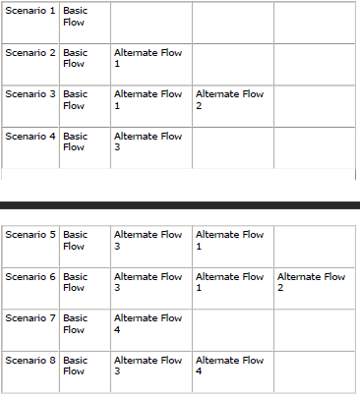
 |  |  |  |  |  |  |  | I = Invalid
 |  |  |  |  |  |  |  | V = Valid
 |  |  |  |  |  |  |  | Scenario/Condition = Brief description of the test case, including the scenario being tested.
 |  |  |  |  |  |  |  | Test Cases = Trin for trin der skal gøres
Generating Scenarios: |  |  |  |  |  | Identify Test Cases:
 | Scenario Name: | Starting Flow: | Alternate | Alternate: | Alternate: |  | Test ID/Scenario no. | Scenario/Condition | Date | Modul | Test Cases | Phone number | Barcode | In stock | DB Connection | Expected Result | Actual Result | Pass/Fail | Comments
 | Scenario 1 - Successful registration | Basic flow |  |  |  |  | TC/Test Case 1 |  | 2032-05-12 | Main menu
 |  | Basic flow | A1 |  |  |  | TC 2 | Scenario 1 - Successful order - One product |  | Order menu |  | I | N/A | V | V
 |  |  | A1a | A2a |  |  | TC 3 | Scenario 1 - Successful order - Multiple products |  |  |  |  |  |  | Yes
 |  |  | A3
 |  |  | A3b | A1b
 |  |  | A3 | A1 | A2
 |  |  | A4c
 |  |  | A3 | A4a

